Sheet1
Name | Email | Employee ID
Syed Saud Sayeed | syed.sayeed@coforge.com | 85011016

BVA (Boundary Value Analysis)

Scenario-1: Mobile Number Length (10 Digits)
 | S. No | Condition | Status
BVA MIN | 1 | Min = 1000000000 | Positive
 | 2 | Min - 1 = 999999999 | Failed
 | 3 | Min + 1 = 1000000001 | Positive
BVA MAX | 4 | Max = 9999999999 | Positive
 | 5 | Max + 1 = 10000000000 | Failed
 | 6 | Max - 1 = 9999999998 | Positive

Scenario-2: Password Length (8–16 characters)
 | S. No | Condition | Status
BVA MIN | 1 | Min = 8 | Positive
 | 2 | Min - 1 = 7 | Failed
 | 3 | Min + 1 = 9 | Positive
BVA MAX | 4 | Max = 16 | Positive
 | 5 | Max + 1 = 17 | Failed
 | 6 | Max - 1 = 15 | Positive

Scenario-3: Discount Percentage (0–50%)
 | S. No | Condition | Status
BVA MIN | 1 | Min = 0 | Positive
 | 2 | Min - 1 = -1 | Failed
 | 3 | Min + 1 = 1 | Positive
BVA MAX | 4 | Max = 50 | Positive
 | 5 | Max + 1 = 51 | Failed
 | 6 | Max - 1 = 49 | Positive

Scenario-4: Passport Number (8 Characters)
 | S. No | Condition | Status
BVA MIN | 1 | Min = A1234567 | Positive
 | 2 | Min - 1 = A123456 | Failed
 | 3 | Min + 1 = A12345678 | Positive
BVA MAX | 4 | Max = Z9876543 | Positive
 | 5 | Max + 1 = Z98765432 | Failed
 | 6 | Max - 1 = Z987654 | Positive

Scenario-5: Ticket Booking (Passengers Allowed: 1–9)
 | S. No | Condition | Status
BVA MIN | 1 | Min = 1 | Positive
 | 2 | Min - 1 = 0 | Failed
 | 3 | Min + 1 = 2 | Positive
BVA MAX | 4 | Max = 9 | Positive
 | 5 | Max + 1 = 10 | Failed
 | 6 | Max - 1 = 8 | Positive

Equivalence Class Partitioning (ECP)

Scenario 1: Username (5–15 Characters)
S. No | Normal Test Data | Test Data | Equivalence Class | Status
1 | A–Z, a–z, 0–9 | Saud123 | Valid (5–15 characters) | Positive
2 | A–Z, a–z, 0–9 | Abc | Invalid (<5 characters) | Failed
3 | A–Z, a–z, 0–9 | abcdefghijklmnop | Invalid (>15 characters) | Failed

Scenario 2: OTP(6 Numbers)
S. No | Normal Test Data | Test Data | Equivalence Class | Status
1 | 0–9 | 123456 | Valid (6 digits) | Positive
2 | 0–9 | 12345 | Invalid (<6 digits) | Failed
3 | 0–9 | 1234567 | Invalid (>6 digits) | Failed

Scenario-3: Password (8–16 Characters)
S. No | Normal Test Data | Test Data | Equivalence Class | Status
1 | A–Z, a–z, 0–9, @,#,$ | Pass@123 | Valid (8–16 Characters) | Positive
2 | A–Z, a–z, 0–9, @,#,$ | Pass12 | Invalid (<8 Characters) | Failed
3 | A–Z, a–z, 0–9, @,#,$ | Password@1234567 | Invalid (>16 Characters) | Failed

Scenario-4: Flight Number (3–8 Characters)
S. No | Normal Test Data | Test Data | Equivalence Class | Status
1 | A–Z, 0–9 | AI123 | Valid (3–8 Characters) | Positive
2 | A–Z, 0–9 | AI | Invalid (<3 Characters) | Failed
3 | A–Z, 0–9 | AI1234567 | Invalid (>8 Characters) | Failed

Scenario-5: Passenger Count (1–9)
S. No | Normal Test Data | Test Data | Equivalence Class | Status
1 | 1–9 | 5 | Valid (1–9) | Positive
2 | 1–9 | 0 | Invalid (<1) | Failed
3 | 1–9 | 10 | Invalid (>9) | Failed

Decision Table

Scenario 1: User Login
Conditions / Actions | Successful Login | Wrong Password | Wrong Username | Account Locked
Conditions
Username Valid | Yes | Yes | No | Yes
Password Valid | Yes | No | Yes | Yes
Account Active | Yes | Yes | Yes | No
Actions
Allow Login | X
Show "Invalid Password" |  | X
Show "Invalid Username" |  |  | X
Show "Account Locked" |  |  |  | X

Scenario 2: Flight Booking
Conditions / Actions | Booking Success | Seats Unavailable) | Payment Failed | Invalid Passenger Details
Conditions
Seats Available | Yes | No | Yes | Yes
Payment Successful | Yes | Yes | No | Yes
Passenger Details Valid | Yes | Yes | Yes | No
Actions
Confirm Booking | X
Show "Seats Unavailable" |  | X
Show "Payment Failed" |  |  | X
Show Validation Error |  |  |  | X

Scenario 3: User Registration
Conditions / Actions | Registration Success | Invalid Email | Mobile Exists | Weak Password
Conditions
Email Valid | Yes | No | Yes | Yes
Mobile Number Unique | Yes | Yes | No | Yes
Password Meets Policy | Yes | Yes | Yes | No
Actions
Register User | X
Show "Invalid Email" |  | X
Show "Mobile Already Exists" |  |  | X
Show "Weak Password" |  |  |  | X

Scenario 4: Online Payment
Conditions / Actions | Payment Success | Invalid Card | Invalid CVV | Insufficient Balance
Conditions
Card Valid | Yes | No | Yes | Yes
CVV Valid | Yes | Yes | No | Yes
Sufficient Balance | Yes | Yes | Yes | No
Actions
Payment Successful | X
Show "Invalid Card" |  | X
Show "Invalid CVV" |  |  | X
Show "Insufficient Balance" |  |  |  | X

Scenario 5: Ticket Cancellation
Conditions / Actions | Cancellation with Refund | Booking Not Found | Cancellation Window Expired | Cancellation without Refund
Booking Exists | Yes | No | Yes | Yes
Within Cancellation Period | Yes | Yes | No | Yes
Refund Eligible | Yes | Yes | Yes | No
Actions
Cancel Ticket & Initiate Refund | X
Show "Booking Not Found" |  | X
Show "Cancellation Not Allowed" |  |  | X
Cancel Ticket Without Refund |  |  |  | X

 |  |  | State Transition

 |  |  | Scenario 1: User Login
 |  |  | 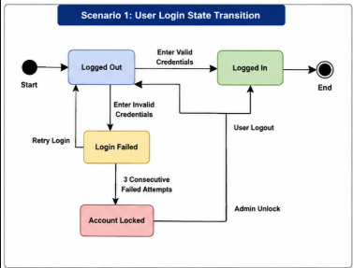

 |  |  | Scenario 2: Flight Booking
 |  |  | 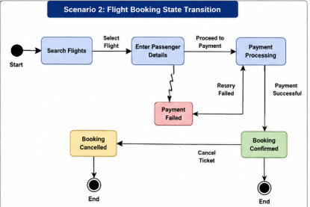

 |  |  | Scenario 3: User Registration
 |  |  | 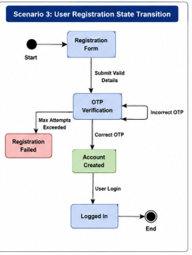

 |  |  | Scenario 4: Payment Process
 |  |  | 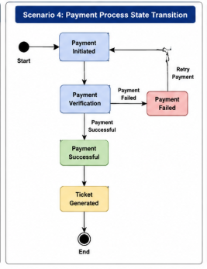

 |  |  | Scenario 5: Ticket Cancellation
 |  |  | 